HOW TO USE
Variable Compensation Framework – Important Note
This presentation is intended to serve as a guide and reference point as you think through variable compensation in your business.
The examples shared are designed to illustrate concepts, structure, and strategic thinking — they are not meant to be implemented exactly as shown in every situation. Every business has different goals, margin profiles, team structures, and growth stages. What works well in one organization may need to be adjusted for another.
Use this as a framework to:
* Stimulate thinking
* Provide structure
* Highlight potential risks and opportunities
* Guide informed decision-making
We strongly encourage you to tailor any compensation model to align with your specific financial targets, operational realities, and long-term vision.
If you have questions, want to pressure-test your structure, or need help customizing a plan for your organization, please reach out. We are happy to walk through it with you.
Brandi Bonds, CEO
Next Level Now, Inc.
www.nextlevelnow.net
bbonds@nextlevelnow.net

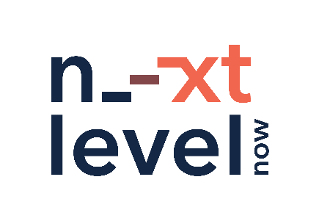

SLIQ Model PIC
